Hiearchy View
CLASS: STRINGER
beams that run lengthwise and also help transfer weight for more even distribution and are typically installed on top of the joists |  | 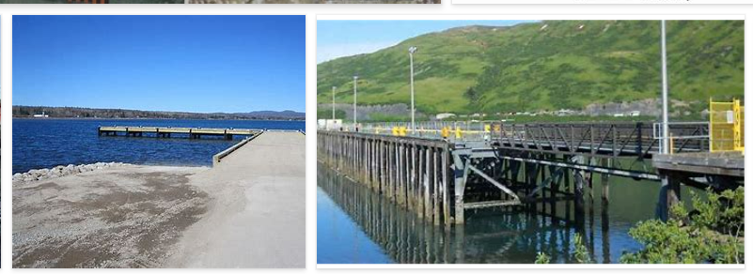
REMOVE | N

PROBLEM_DESC | CAUSE_DESC | REMEDY_DESC
BROKEN/DAMAGED
LEAKING
OTHER PROBLEM
PESTS
POWER-ELEC
STOPPED/SLOWED/POOR OPS
VIBRATION
Grand Total

